Sheet1
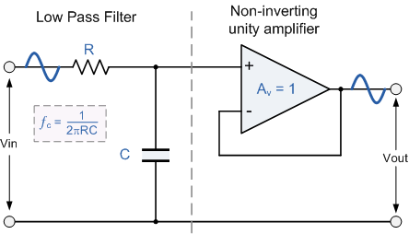
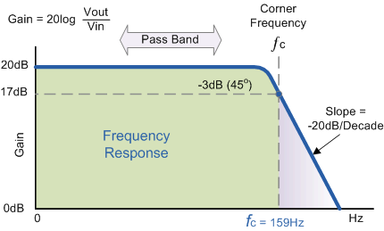
pH | mV | Vref |  | Active low-pass filter by Op. Amp.
6.86 | 3060 | 503 |  | fc Hertz | R2 | Ohm | C | Farad
9.18 | 4032 | 503 |  | 17.49 | 91 | k | 0.1 | u
4.01 | 1818 | 503 |  | 15.92 | 10 | k | 1 | u
pH | mV |  |  | 15.92 | 100 | k | 0.1 | u
9.18 | 3646
4.01 | 1662
6.86 | 2766

pH | mV | Aval | E = 0.340 V
9.18 | 3602 | 737
6.86 | 2414 | 494
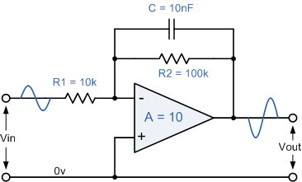
4.01 | 857 | 175
pH | mV | Aval
9.18 | 3703 | 758
6.86 | 2453 | 502
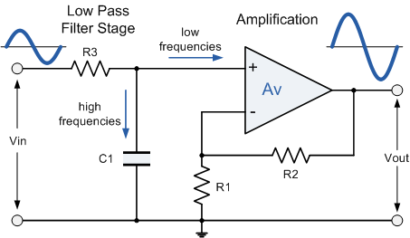
4.01 | 887 | 181

